CDD Export 1
Molecule Name | Structure | CDD Number | IUPAC | LGCY Batch Name | Nsp15_FAM - DR: IC50 (uM) | Nsp15_FAM - DR: Dose-response Plot
SACC-0444085 | 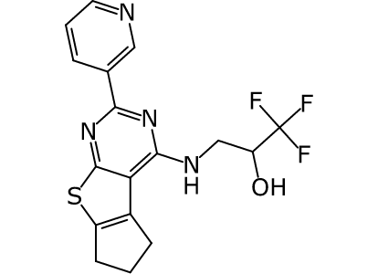 |  | 1,1,1-trifluoro-3-{10-(3-pyridyl)-7-thia-9,11-diazatricyclo[6.4.0.0²,⁶]dodeca-1(8),2(6),9,11-tetraen-12-ylamino}-2-propanol | EN:Z304789798 | (IC50 could not be calculated)
SACC-0444084 | 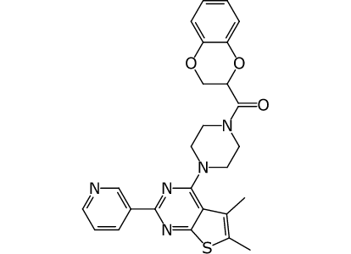 | CDD-3183448 | (2,3-dihydro-1,4-benzodioxin-2-yl){4-[2,3-dimethyl-6-(3-pyridyl)-1-thia-5,7-diaza-4-indenyl]-1-piperazinyl}methanone | EN:Z31046789 | 3.86
SACC-0444084 |  | CDD-3183448 | (2,3-dihydro-1,4-benzodioxin-2-yl){4-[2,3-dimethyl-6-(3-pyridyl)-1-thia-5,7-diaza-4-indenyl]-1-piperazinyl}methanone | EN:Z31046789 | 2.01
SACC-0444084 |  | CDD-3183448 | (2,3-dihydro-1,4-benzodioxin-2-yl){4-[2,3-dimethyl-6-(3-pyridyl)-1-thia-5,7-diaza-4-indenyl]-1-piperazinyl}methanone | EN:Z31046789 | < 3.13
SACC-0444083 | 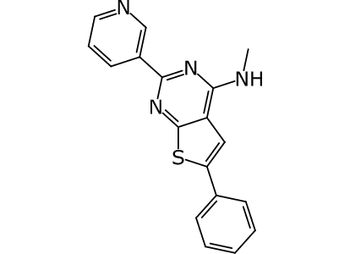 |  | N-methyl[2-phenyl-6-(3-pyridyl)-1-thia-5,7-diaza-4-indenyl]amine | EN:Z31222933 | (IC50 could not be calculated)
SACC-0444082 | 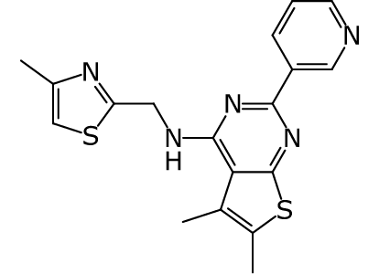 |  | [(4-methyl-1,3-thiazol-2-yl)methyl][2,3-dimethyl-6-(3-pyridyl)-1-thia-5,7-diaza-4-indenyl]amine | EN:Z219398796 | 12.23
SACC-0119065 | 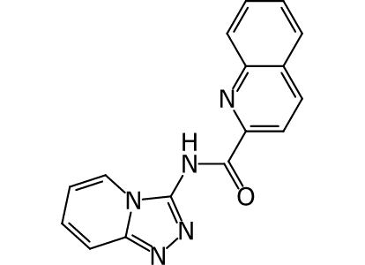 | CDD-3291798 | N-(1,2,3a-triaza-3-indenyl)-2-quinolinecarboxamide | EN:T6329603 | 13.71
SACC-0116360 | 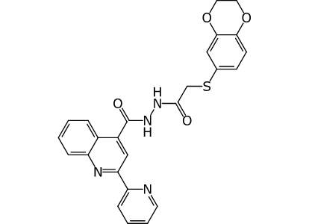 |  | 2-(2,3-dihydro-1,4-benzodioxin-6-ylthio)-1-(2-{[2-(2-pyridyl)-4-quinolyl]carbonyl}hydrazino)-1-ethanone | EN:T5373742 | 32.06
SACC-0109625 | 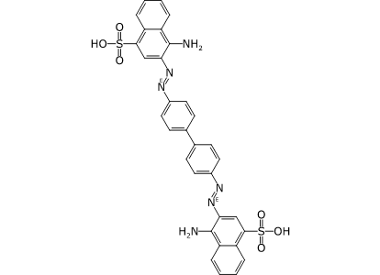 | CDD-2621397 | 3-[(E)-12b-(1-amino-4-sulfo-2-naphthylimino)-12a-benzidineylideneamino]-4-amino-1-naphthalenesulfonic acid | NCGC00159364-02 | 3.4
SACC-0108378 | 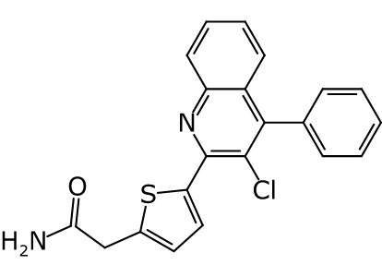 |  | [5-(3-chloro-4-phenyl-2-quinolyl)-2-thienyl]acetamide | EN:T5653005 | > 200.00
SACC-0086315 | 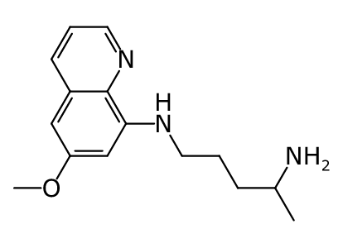 | CDD-2753695 | 4-amino-1-(6-methoxy-8-quinolylamino)pentane | CD:000A-0133 | 59.12
SACC-0071929 | 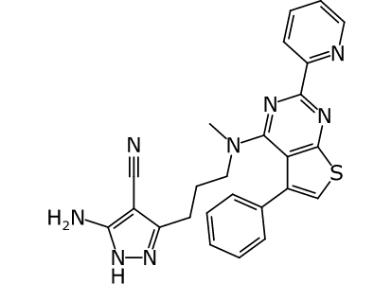 |  | 3-(3-{N-methyl[3-phenyl-6-(2-pyridyl)-1-thia-5,7-diaza-4-indenyl]amino}propyl)-5-amino-4-pyrazolecarbonitrile | EN:T5443728 | 11.57
SACC-0071929 |  |  | 3-(3-{N-methyl[3-phenyl-6-(2-pyridyl)-1-thia-5,7-diaza-4-indenyl]amino}propyl)-5-amino-4-pyrazolecarbonitrile | EN:T5443728 | 3.45
SACC-0063276 | 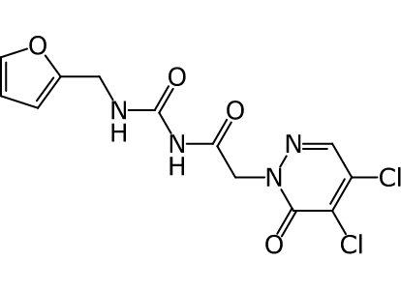 | CDD-3141843 | 4,5-dichloro-2-[2-(3-furfurylureido)-2-oxoethyl]-2,3-dihydro-3-pyridazinone | EN:T5616240 | > 100.00
SACC-0032977 | 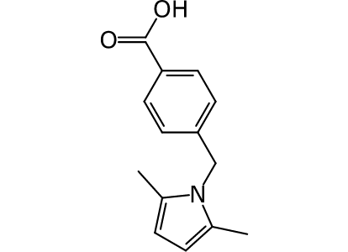 | CDD-2662766 | p-[(2,5-dimethyl-1-pyrrolyl)methyl]benzoic acid | AS:BAS06735662 | > 200.00
SACC-0032908 | 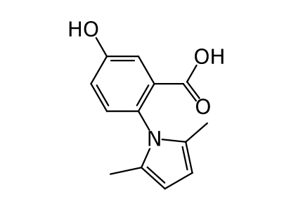 | CDD-4152068 | 2-(2,5-dimethyl-1-pyrrolyl)-5-hydroxybenzoic acid | CD:2817-4329 | 187.58
SACC-0012625 | 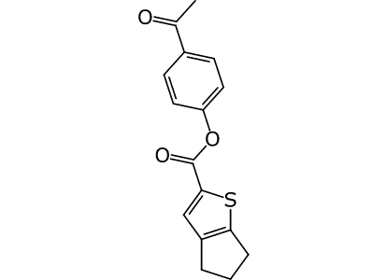 |  | p-acetylphenyl 2-thiabicyclo[3.3.0]octa-1(5),3-diene-3-carboxylate | EN:T5298365 | 113.87

